1. Title Page
[Project Name]

Project Name:
Date:
Analyst Name:

Contents:
Population Flow
Consistency checks
Wrangling steps
Column derivations
Visualizations
Recommendations

2. Population Flow
Title page

Population flow

Exclusion flag
Condition: max_order <
Obervations to be removed:
Final total count of order_products_all:

Orders_products_all
Orders_products_combined
Orders_products_merged

Total:32404859
Total:32434489
Total: 30629741

1.) The grey boxes in the first row of the population flow represent the original data sets as they were when you downloaded them. In the Total fields you need to add the count of the rows when you imported the data set into Jupyter.
2.) The second row of boxes (coloured) represents the data sets after you manipulated them, e.g., removed missing values and duplicates. In the Total fields you need to add the count of the rows after conducting these operations. This offers a visual oveview of how the data flows throughout the data consistency checks.
3.) The third row, where also the arrows are coloured, represents the merges you performed between the datasets. In the Total fields you need to add the count of the rows in the merged datasets, so that you end up with the final dataset (in the red box). Keep in mind the final dataset should be without exclusions (based on the exclusion flag).

3. Consistency checks
 |  |  |  |  |  | Title page
Consistency checks

Dataset | Missing Values Column | Missing values | Missing values treatment | Exerise | Duplicates
orders | days_since_privious_order | There are 206209 missing values present in the 'days_since_previous_order' column. This large amount of data is missing, it might be because it could be the customer's first order with Instacart. There is no data available about the customer's purchase since his last order, which could be because of data ambiguity The historical data is not retained for is not available. . | Removing or imputing missing values may change important data about customers. So we should not change any data | Exercise 4.5 Data Consistency Checks | Dataframe returns empty which means there are no duplicate values.
products | product_name | 16 values are missing in product_name coloumn. Count of rows bebore removing missing values = 49693 | Removed 16 missing values. Count of rows after removing missing values = 49677 | Exercise 4.5 Data Consistency Checks | I found 5 duplicated values. After removing duplicates values = 49672
orders_products_prior | none | none | none |  | none
customers

4. Wrangling steps
 |  |  |  |  | Title page
Wrangling steps

Columns dropped | Columns renamed | Columns' type changed | Exercise | Comment/Reason
eval_set |  |  | Exercise 4.4 Data Wrangling & Subsetting | not necessary or relevant to analysis
 | orders_dow' changed to 'orders_day_of_week' |  | Exercise 4.4 Data Wrangling & Subsetting | more clear name for column
 |  | order_id from int to string | Exercise 4.4 Data Wrangling & Subsetting | integer doesn't have real numeric value
 |  | user_id from integer to string | Exercise 4.4 Data Wrangling & Subsetting | integer doesn't have real numeric value
 | days_since_prior_order' temporarily renamed to 'days_since_previous_order' |  | Exercise 4.4 Data Wrangling & Subsetting | more clear name for column

 | First Name' renamed to 'first_name' |  | Exercise 4.9 Intro to Data Visualization with Python | naming conventions for naming consistency
 | surnam' renamed to 'last_name' |  | Exercise 4.9 Intro to Data Visualization with Python | naming conventions for naming consistency
 | Gender renamed to 'gender' |  | Exercise 4.9 Intro to Data Visualization with Python | lower case for consistency
 | Age' renamed to 'age' |  | Exercise 4.9 Intro to Data Visualization with Python | lower case for consistency
 | fam_status' renamed to 'marital_status' |  | Exercise 4.9 Intro to Data Visualization with Python | lower case for consistency
 | STATE' renamed to 'state' |  | Exercise 4.9 Intro to Data Visualization with Python | lower case for consistency

5. Column derivations
 |  |  |  |  |  |  | Title page

Column derivations and aggregations

In this tab you should add tables below that the frequences of flags/label variables that you produced after deriving them. NB: don't do this for continuous variables, only for flags.
Dataset | New column | Column/s it was derived from | Exercise | Conditions
df_ords_prods_merge | price_range_loc' | prices | Exercise 4.7 Deriving New Variables | If the item’s price is above $15, it will be labeled a “high-range product.” 'High-range product'-- >15 If the item’s price is above $5 but lower than or equal to $15, it will be labeled a “mid-range product.” 'Mid-range product'-- <=15 If the item’s price is lower than or equal to $5, it will be labeled a “low-range product.” Low-range product'--<5
df_ords_prods_merge | Busiest_day | order_days_of_week | Exercise 4.7 Deriving New Variable | if value == 0: result.append ("Busiest days') elif value ==4: result.append("Slowest days") else: result.append("Regularly busy")
df_ords_prods_merge | busiest_period_of_day' | order_hour_of_day | Exercise 4.7 Deriving New Variable | for value in df_ords_prods_merge["order_hour_of_day"]: if value in [10,11,14,15,13,12,16,9]: result_3.append("Most Orders") elif value in [23,6,0,1,5,2,4,3]: result_3.append("Fewest Orders") else: result_3.append("Average Orders") | Flag | Value_counts
ords_prods_merge | max_order' | user_id, order_number | Exercise 4.8 Grouping Data & Aggregating Variable | ords_prods_merge['max_order'] = ords_prods_merge.groupby(['user_id'])['order_number'].transform(np.max) | price_range_loc', 'High-range product' mid-range product. Low-range product | 417678 21860860 10126321
ords_prods_merge | loyalty_flag' | max_order' | Exercise 4.8 Grouping Data & Aggregating Variable | ords_prods_merge.loc[ords_prods_merge['max_order'] > 40, 'loyalty_flag'] = 'Loyal customer' ords_prods_merge.loc[(ords_prods_merge['max_order'] <= 40) & (ords_prods_merge['max_order'] > 10), 'loyalty_flag'] = 'Regular customer' ords_prods_merge.loc[ords_prods_merge['max_order'] <= 10, 'loyalty_flag'] = 'New customer' | Busies_days Regularly busy Busiest days Slowest days | 12916111 11864412 7624336
ords_prods_merge | spender_flag' | mean_of_prices' | Exercise 4.8 Grouping Data & Aggregating Variable(2) | ords_prods_merge.loc[ords_prods_merge['mean_of_prices'] < 10, 'spender_flag'] = 'Low Spender' ords_prods_merge.loc[ords_prods_merge['mean_of_prices'] >= 10, 'spender_flag'] = 'High Spender' | busiest_period_of_day Most Orders Average Orders Fewest Orders | 21118071 9997651 1289137
ords_prods_merge | frequency_flag' | median_of_days' | Exercise 4.8 Grouping Data & Aggregating Variable(2) | ords_prods_merge.loc[ords_prods_merge['median_of_days'] > 20, 'frequency_flag'] = 'Non_frequent Customer' ords_prods_merge.loc[(ords_prods_merge['median_of_days']) > 10 & (ords_prods_merge['median_of_days'] <= 20), 'frequency_flag'] = 'Regular customer' ords_prods_merge.loc[ords_prods_merge['median_of_days'] <= 10, 'frequency_flag'] = 'frequent customer' | loyalty_flag Regular customer Loyal customer New customer | 15876776 10284093 6243990
ords_prods_merge | median_of_days | user_id, days since_previous_order | Exercise 4.8 Grouping Data & Aggregating Variable(2) | ords_prods_merge['median_of_days'] = ords_prods_merge.groupby(['user_id']) ['days_since_previous_order'].transform(np.median) | spender_flag Low Spender High Spender | 31770614 634245
Instacart | exclusion_flag | max_order' | Task 4.10 | Instacart.loc[Instacart['max_order'] < 5, 'exclusion_flag'] = 'Exclude' Instacart.loc[Instacart['max_order'] >= 5, 'exclusion_flag'] = 'To_keep'
Instacart_keep | age_group | age | Task 4.10 | Instacart_keep.loc[Instacart_keep['age'] <= 25, 'age_group'] = 'young adult' Instacart_keep.loc[(Instacart_keep['age'] > 25) & (Instacart_keep['age'] < 45), 'age_group'] = 'adult' Instacart_keep.loc[(Instacart_keep['age'] >45) & (Instacart_keep['age'] < 65), 'age_group'] = 'mid adult' Instacart_keep.loc[Instacart_keep['age'] >= 65, 'age_group'] = 'old' | frequency_flag frequent customer Regular customer Non_frequent Customer nan | 21559853 7208564 3636437 5
Instacart_keep | income_group | income | Task 4.10 | Instacart_keep.loc[Instacart_keep['income'] <= 50000, 'income_group'] = 'Low' Instacart_keep.loc[(Instacart_keep['income'] > 50000) & (Instacart_keep['income'] < 100000), 'income_group'] = 'Average' Instacart_keep.loc[Instacart_keep['income'] >= 100000, 'income_group'] = 'High' | exclusion_flag To_keep Exclude | 30964564 1440295
Instacart_keep | Dependants(Y/N) | n_dependants' | Task 4.10 | Instacart_keep.loc[Instacart_keep['n_dependants'] == 0, 'Dependant(Y/N)'] = 'no_dependant' Instacart_keep.loc[Instacart_keep['n_dependants'] > 0, 'Dependant(Y/N)'] = 'has_dependant'
Instacart_keep | shopping_hours | order_hour_of_day | Task 4.10 | Instacart_keep.loc[Instacart_keep['order_hour_of_day'].between(10, 17), 'shopping_hours'] = 'normal' Instacart_keep.loc[Instacart_keep['order_hour_of_day'].between(18,23), 'shopping_hours'] = 'late_night' Instacart_keep.loc[Instacart_keep['order_hour_of_day'].between(0, 9 ), 'shopping_hours'] = 'early_morning'

6. Visualizations
In this tab you should include all the visualtions from Exercises 4.9 and 4.10, alongside the questions from the project brief that they answer. Include any commentary on the relationship between different variables.
 |  |  |  | Title page

Visualisations

Key Question | Visualization


Frequency of purchase
1) The sales team needs to know what the busiest days of the week and hours of the days are (i.e., the days and times with the most orders) in order to schedule ads at times when there are fewer orders.

Frequency of purcgase
Answers:- The busiest days of the week are Friday, Saturday and Sunday. The busiest hours are from 8 am to 5 pm.

Hours_of_the_day

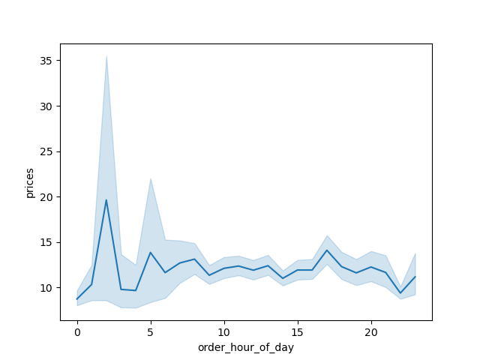
Total Sales
2)They also want to know whether there are particular times of the day when people spend the most money, as this might inform the type of products they advertise at these times

Answers:- As per observation people tend to spent money around midnight.

Recommendation:- Any promotion or any advertisements of products can be scheduled at this time. Offers on recommended products can be broadcast this time.

3) Instacart has a lot of products with different price tags. Marketing and sales want to usesimpler price range groupings to help direct their efforts.

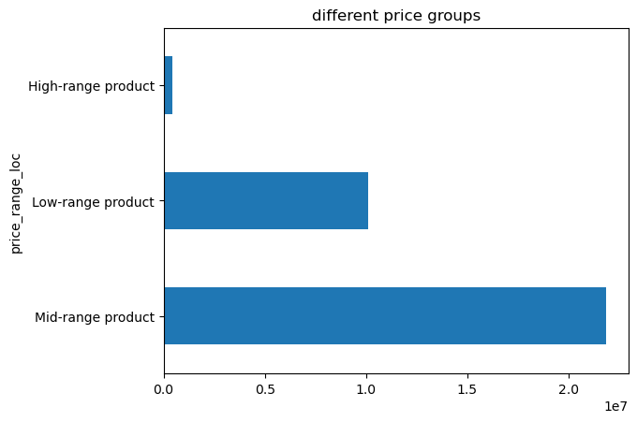
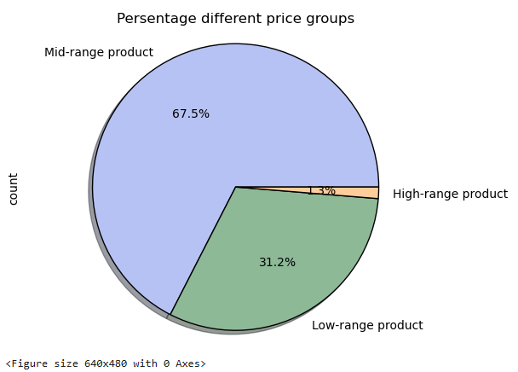
Answer: -There are three groupings of products.
Low range products are <= $5 Mid range products between $4 to $15
Hight Range products>$15

Recommendation:-1) Mid-range products are more popular amongst people with a percentage of 67.5%. More offers should be put in this price range products. 2) The high-range products contributed just 1.3% of all sell. More advertising can be done on these products

Frequency Of Purchase

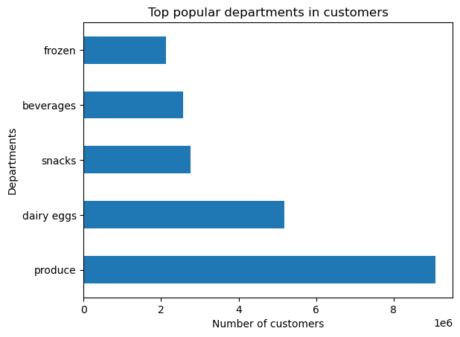
Are there certain types of products that are more popular than others? The marketing
and sales teams want to know which departments have the highest frequency of
product orders.

Answers:
Top five selling departments are
1.Produce
2.Dairy eggs
3.Snacks
4.Beverages
5.Frozen

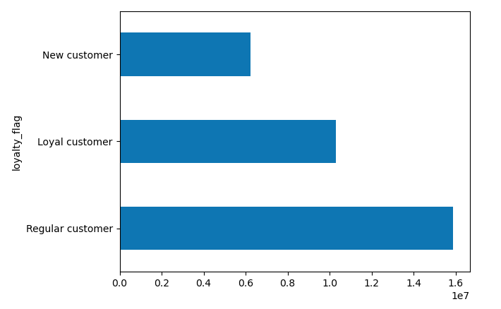
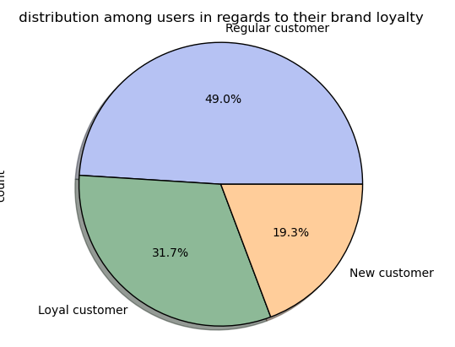
5.What’s the distribution among users in regards to their brand loyalty (i.e., how
often do they return to Instacart)?

Answer:- Regular Customer -49%
Loyal Customers= 31.7%
Newcustomers = 19.3%

Frequency of purchase

5) Are there differences in ordering habits based on a customer’s region?

Answer:- The ordering habits of customers are the same. The southern region has more cunstomers compared to other regions Each region seems to follow the same general trend of number of orders placed each day of the week. The Southern region contains the most loyal customers and has the largest frequency of orders placed across all regions. The Northeast region has the lowest frequency of orders and least amount of loyal customers. The distribution of orders placed in each department is proportional over all the regions.

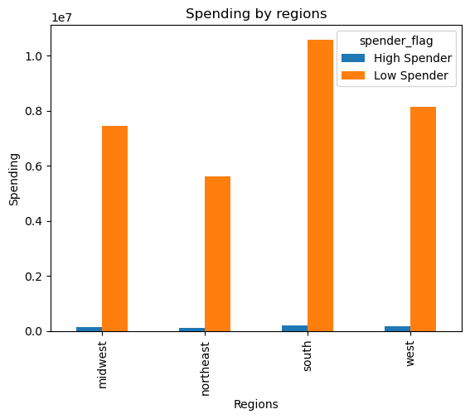

6) Is there a connection between age and family status in terms of ordering
habits?

Answer:- The young adults(<25 years), adults(25-45years), mid adults(45-65 years, old(>65) are 4 age groups Adults are frequent shoppers amongst all.
In family status, married people are frequent shoppers in instacart.
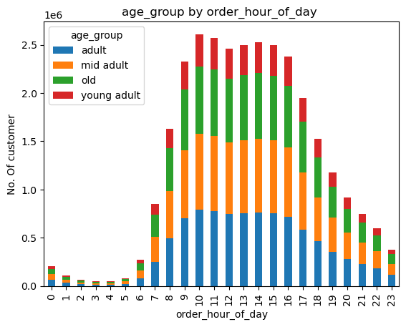
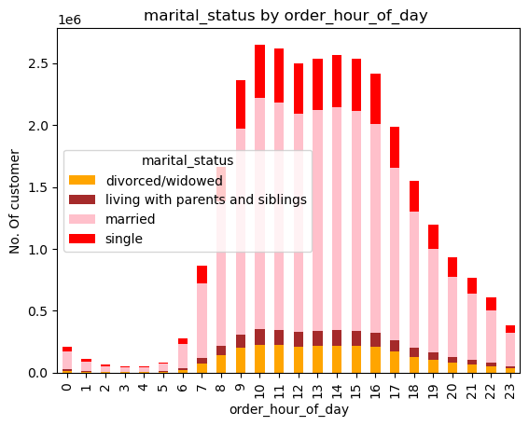

25-45 years
45-65 years
> 65 years

< 25 years

7)What different classifications does the demographic information suggest?
Age? Income? Certain types of goods? Family status?

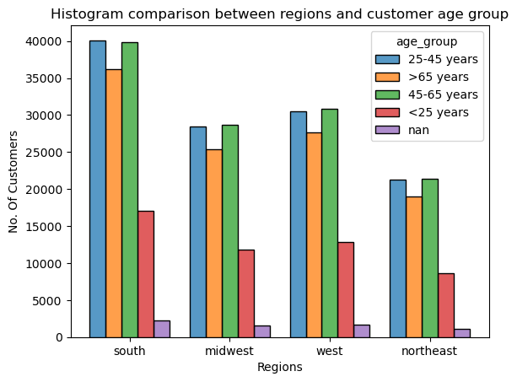
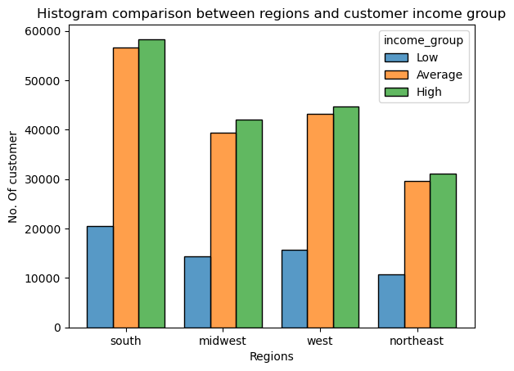
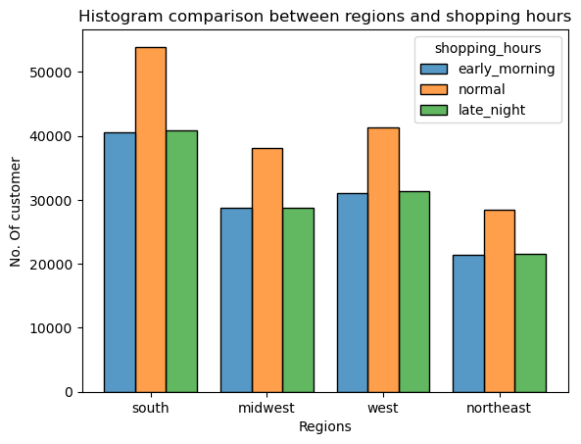

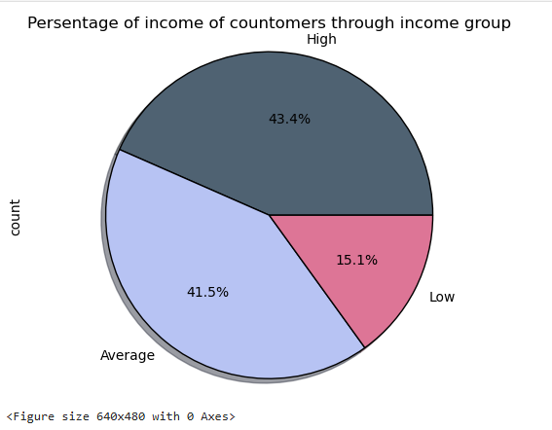
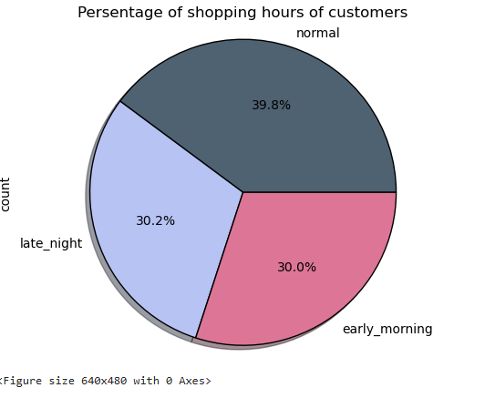
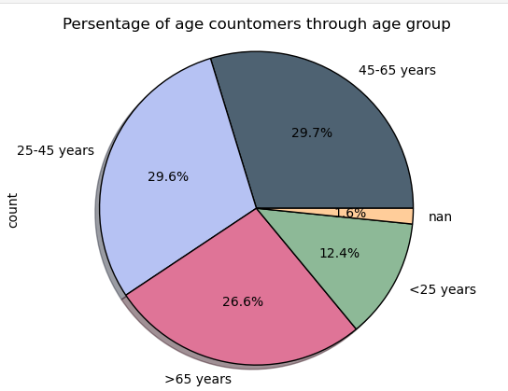

The southern region have most of adults(29.6%) and mid-adults(29.7%) coustomers | As per income_group, the income group spends more. We can see high majority of customers are in the southern part |  | The most customers in southern part does shopping in normal hours

Recommondation:- We can observe that demographically numers vary in age_group, income_group, family_ status. But southern parts have most customers of all age, income and family_status, so most offers, ads should be applied in southern region.

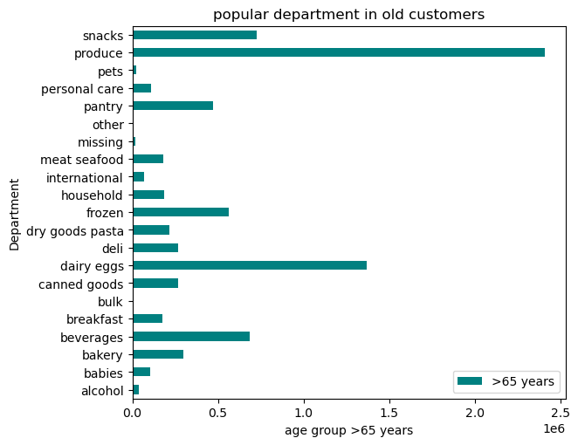
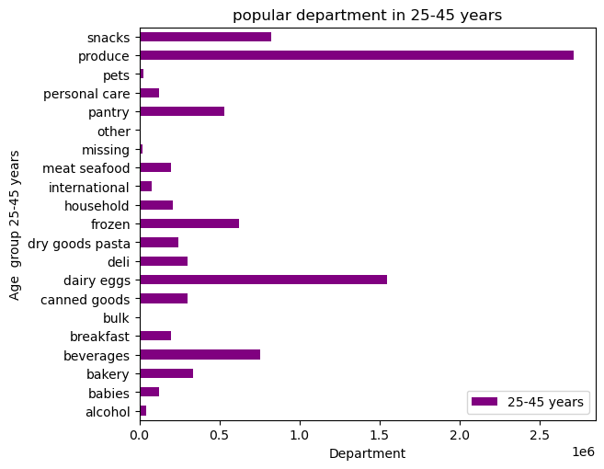
8) What differences can you find in ordering habits of different customer profiles? Consider the price of orders, the frequency of orders, the products customers are ordering, and anything else you can think of.

The top 5 departments are produce, dairy_eggs, snacks, beverages,feozen | Amongst the >65 years costomers produce and dairy eggs are popular departments | Amongst the age group 25-45 years customers produce and dairy eggs are popular departments

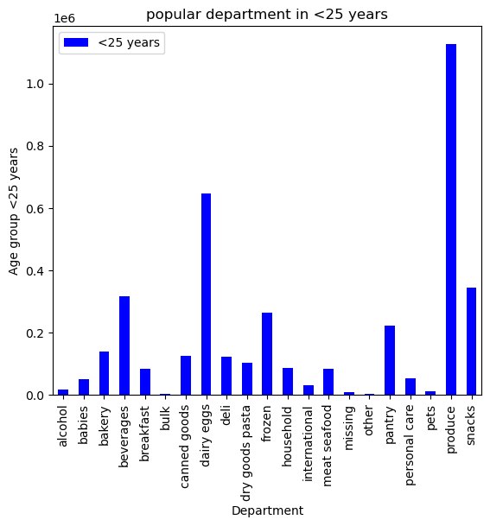
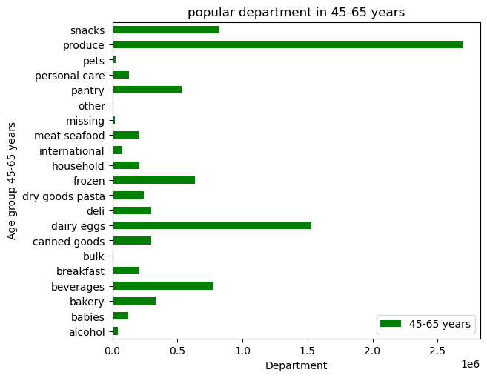

Amongst the age group 45-65 years consumers produce and dairy eggs are popular departments

 | Amongst the young adults costomers produce and dairy eggs are popular departments

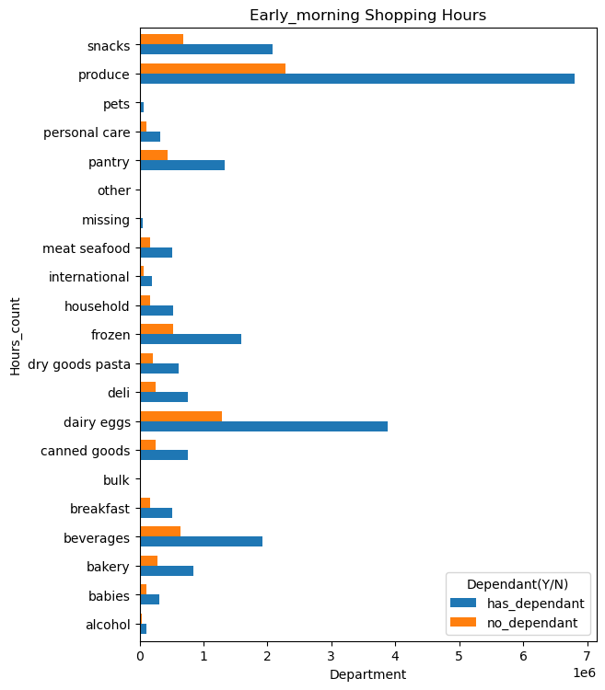
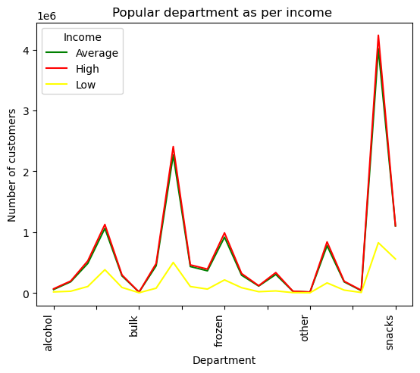

As income groups spends more produce and dairy eggs.

7. Recommendations
 |  | Title page

Recommendations

In this tab you should include any recommendations you would made to Instcart in terms of their marketing strategy based on the questions posed in the brief. Every key question has been covered in the Tasks of the Exercises - here you need to add an item - a visualisation or table/crosstable that is showing the answer in the data, acompanied by a comment from you. Please, list the questions below and add the answer underneath.

Question | Recommendations

01)The sales team needs to know what the busiest days of the week and hours of the days are (i.e., the days and times with the most orders) in order to schedule ads at times when there are fewer orders. | I would recommend that store should plan their ads early in the morning or after 5 in the evening

02) They also want to know whether there are particular times of the day when people spend the most money, as this might inform the type of products they advertise at these times | Any promotion or any advertisements of products can be scheduled at this time. Offers on recommended products can be broadcast this time.

03) Instacart has a lot of products with different price tags. Marketing and sales want to usesimpler price range groupings to help direct their efforts. | 1) Mid-range products are more popular amongst people with a percentage of 67.5%. More offers should be put in this price range products. 2) The high-range products contributed just 1.3% of all sell. More advertising can be done on these products
04) Are there certain types of products that are more popular than others? The marketing and sales teams want to know which departments have the highest frequency of product orders. | The shop can offer sign-up offers, and discount coupons to new customers so they can visit the store often.
5) Are there differences in ordering habits based on a customer’s region? | Offering promotions and discounts that appeal to consumers in these states where sales are low. Consider the drive the campaign for offers and advertisements.
06) Is there a connection between age and family status in terms of ordering ordering habits?

7)What different classifications does the demographic information suggest? Age? Income? Certain types of goods? Family status?

